Table S5 Haynes et al (2022)
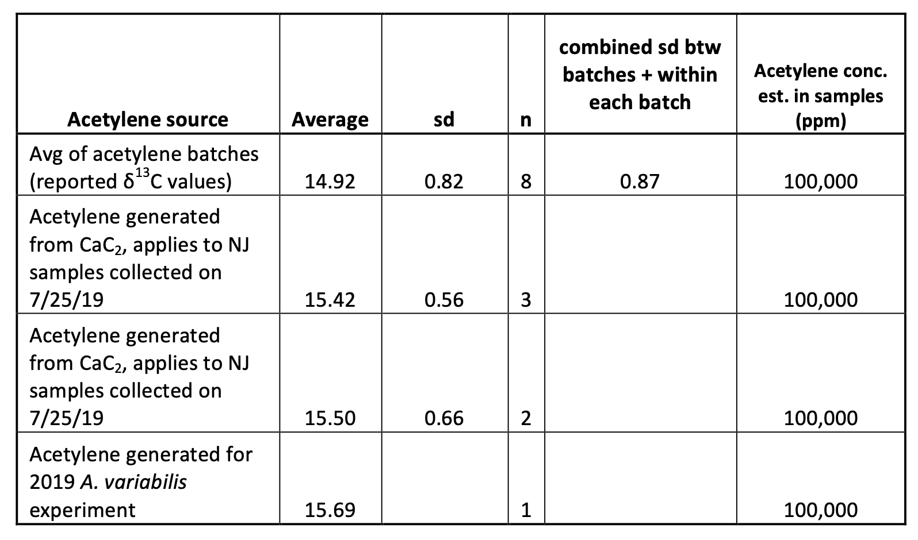
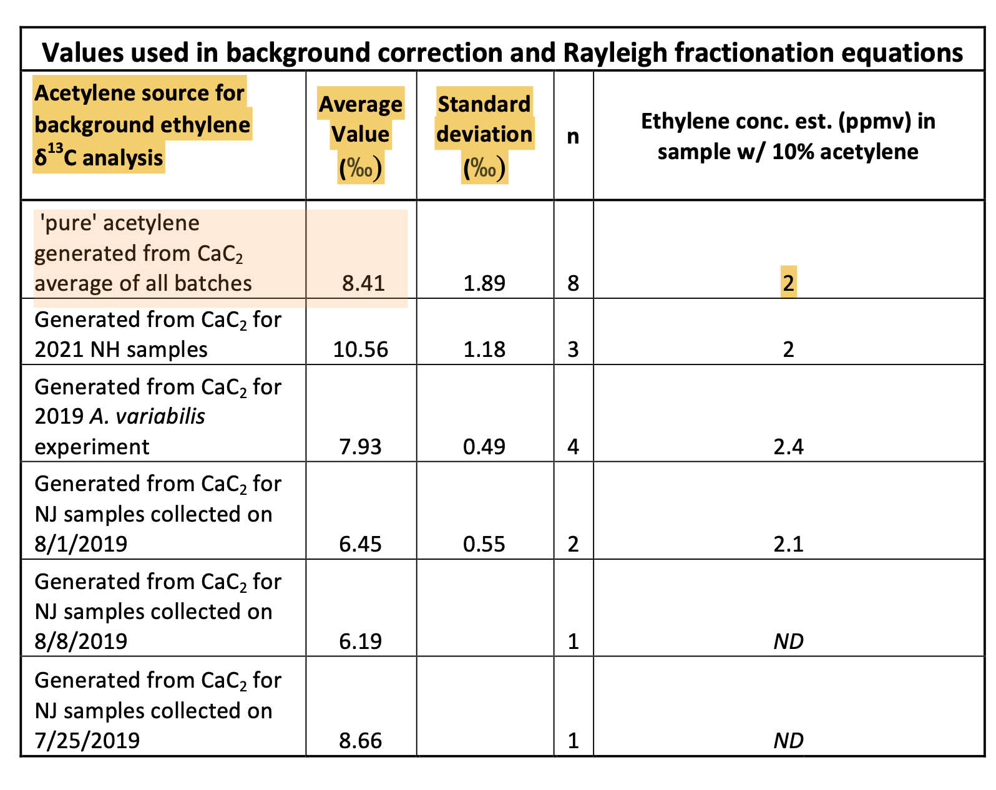

d13C_BgEt_AVE | d13C_BgEt_SD | d13C_BgEt_n | [BgEt] (ppmv) | [BgEt] (ppmv) SD | d13C_Acetylene | d13C_Acetylene SD | d13C_Acetylene _n

8.41 | 1.89 | 8 | 2 | ND
10.56 | 1.18 | 3 | 2 | ND
7.93 | 0.49 | 4 | 2.4 | ND
6.45 | 0.55 | 2 | 2.1 | ND
6.19 | NA | 1 | ND | ND
8.66 | NA | 1 | ND | ND
 |  |  |  |  | 14.92 | 0.82 or 0.87 | 8
 |  |  |  |  | 15.42 | 0.56 | 3
 |  |  |  |  | 15.5 | 0.66 | 2
 |  |  |  |  | 15.69 | NA | 1

